Sheet1
 |  | Document No. | Issue No. | Issue Date |  | Review and Replace Date |  | Authorised By
 |  | GFF380MC | 2 | 24.11.2022 |  | 12.07.2023
 |  | Document Title | GC- 10 Onion Bhaji 1000g
 |  |  |  |  |  |  |  | Magda Shah
Document amendments reason for change |  | Packaging changed (tray & flim)and put labels in high risk if they packed the product on GTR machine. | Page 1 of 1 |  | Previous Issue Date |  | 24.11.2022 | Uncontrolled copy unless signed original

COBHL-B10T | Gazebo (BULK-SNACKS) |  | GC- 10 Onion Bhaji 1000g
STEP 1 |  |  |  |  | STEP 2
 |  |  |  |  | 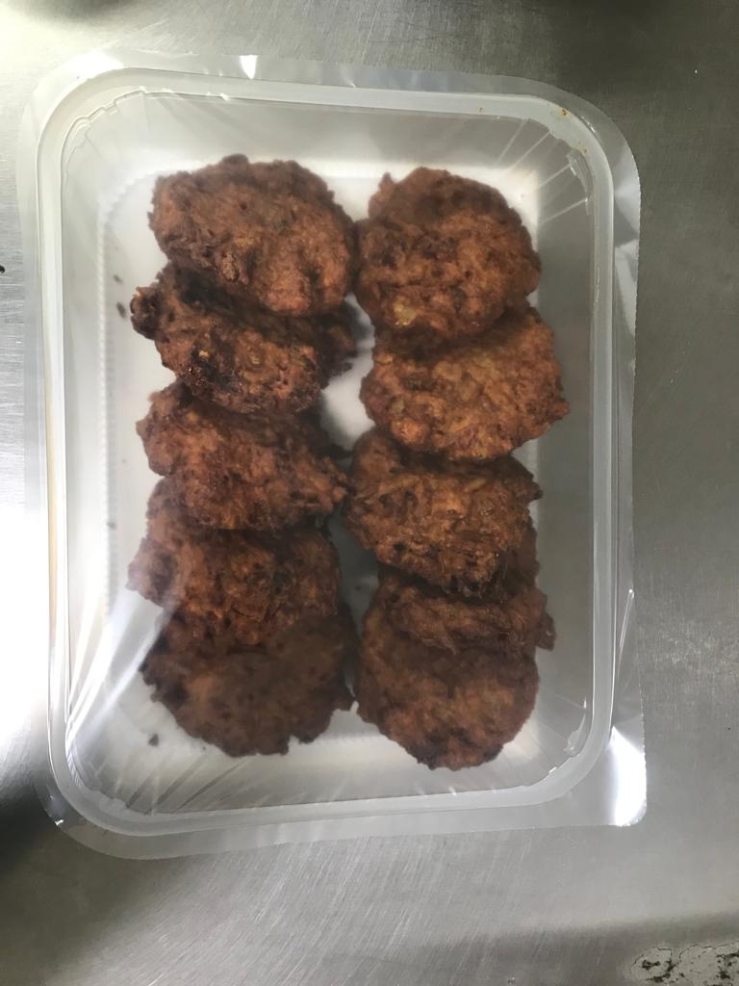

Tray: HW308/60 open ECO tray- (PKLEE001-09) |  |  |  |  | Onion Bhaji (GFF 121R)-100g (1X10 Units)-1000g
Film: K Peel RPSM 25µm (340mmX1000lm)-(PKKMP001-05)
STEP 3
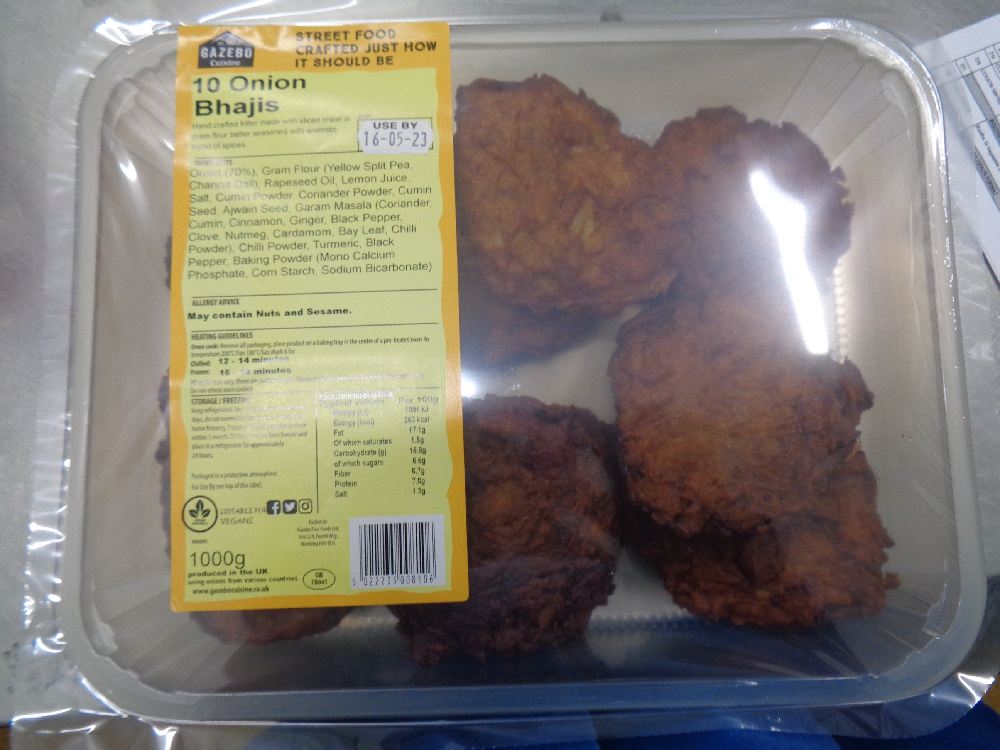 |  |  | 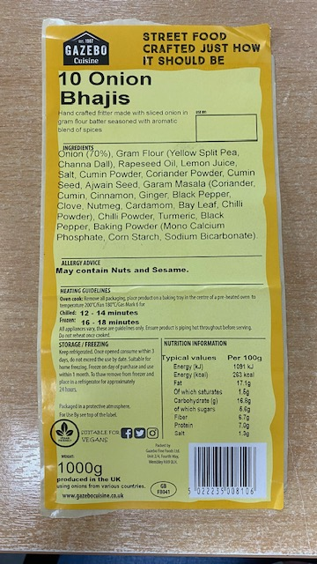

Label: 10 Onion Bhajis- Barcode:8106
TOTAL WEIGHT: 1000g

ALLERGY ALERT: None

